Sheet2
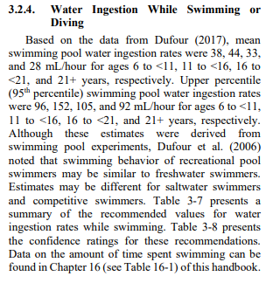
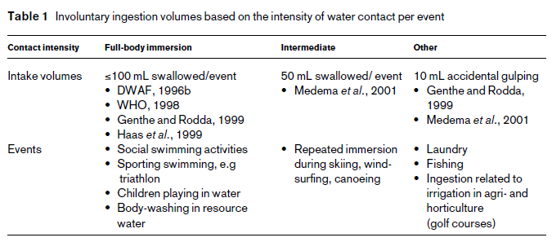
Exposure Scenario's Floods and Health Tool
 |  |  |  |  |  |  | US EPA handbook for exposure (Update Chapter 3), 2019 | Steyn et al., 2004
 |  | Wading | min | Source | max | Source
 | Adults | ml/event | 10 | splashed pedestrian (Steyn et al., 2004) | 25 | (mouthful water, Schets et al., 2011)
 | Children | ml/event | 10 | children playing (Katukiza et al., 2013) | 30 | children playing (Steyn et al., 2004, Sterk 2008)

 |  | Swimming | mean | Source | max | Source
 | Adults | ml/h | 28 | US EPA | 92 | US EPA
 | Children | ml/h | 38 | US EPA | 96 | US EPA

 | Assuming one event = one hour swimming?

 | One event = one day of flooding

